P&L
VA Total Revenues
Revenue Meals | $2,576,277
Revenue Handling | $1,188,244
Revenue Overheads | $513,240
Revenue Other
Discount | $-
 |  |  |  |  |  |  |  |  |  |  | 14 | Flights Per Week
 |  |  |  |  |  |  |  |  |  |  | 728 | Flights Per Year
 |  |  |  |  |  |  |  |  |  |  | 80% | Load
Description | Virgin Atlantic |  |  |  |  |  |  |  |  |  | 1 | Cycle
 | $ | % |  |  |  |  |  |  |  |  | 0% | Discount
Revenue Meals | $2,576,277 | 60%
Revenue Handling | $1,188,244 | 28% |  |  |  |  |  |  |  |  | 15% | Mark up on Food
Revenue Overheads | $513,240 | 12% | $705 PER FLIGHT OVERHEAD CHARGE |  |  |  |  |  |  |  | 15% | Mark up on Food Labor
Revenue Other |  | 0% |  |  |  |  |  |  |  |  | 13% | Mark up on Handling
VA Rev. Per Flight
FC | $-
BC | $903
PY | $670
EY | $1,751
TC | $-
CY | $216
Total
Hnd | $1,632
Discount | $- | 0%
Net Revenue | $4,277,761 | 100% | $356,480.11
Food Cost | $1,406,013 | 32.9% |  |  |  |  |  |  |  |  | VA ATL TOTAL HANDLING
Other product cost | $- | 0% |  |  |  |  |  |  |  |  | $1,576 | A330
Total Direct Materials | $1,406,013 | 33% |  |  |  |  |  |  |  |  | $1,933 | A350
Direct Labor - Wages | $1,565,190 | 36.6% |  |  |  |  |  |  |  |  | $1,529 | 787
Direct Labor - OT Premium | $- | 0%
Direct Labor - Benefit Cost | $320,581 | 7.5% | 0.20481927711
Direct Labor - Other | $- | 0% |  |  |  |  |  |  |  |  | VA ATL TRANSPORT
Direct Management Labor Cost | $- | 0% |  |  |  |  |  |  |  |  | $313 | A330 TURNAROUND
Total Direct Labor | $1,885,772 | 44% | $697,527 |  |  |  |  |  |  |  | $363 | A350 TURNAROUND
Gross Profit Margin (CM1) | $985,977 | 23.05% |  |  |  |  |  |  |  |  | $313 | 787 TURNAROUND
 |  |  |  | VA ATL Avg. Revenue Per Flight |  |  |  | $5,876 |  | 5698
Indirect Management Labor Cost | $80,500 | 2% | extra management? | Avg. Price Per Pax |  |  |  |  |  |  | VA ATL INTERNATIONAL GARBAGE
Indirect Hourly Labor Cost | $- | 0% |  | FC | BC | PY | EY | TC | CY |  | $339 | A330
Total Indirect Labor | $80,500 | 2% |  | $- | $34.71 | $18.11 | $11.44 | $- | $43.14 |  | $395 | A350
Operating Expense-Variable | $84,000 | 2% | Utility |  | $34.40 | $23.80 | $12.42 | $- | $36.12 |  | $339 | 787
Operating Expense-Fixed | $200,000 | 5% | ??? Freezer and Cooler | Overhead
Other OPEX Cost | $284,000 | 7% |  | FC | BC | PY | YC | TC | CC |  | VA ATL WASH UP
EBITDA | $621,477 | 14.53% | 51,790 | $0.00 | $0.00 | $0.00 | $0.00 | $0.00 | $0.00 |  | $704 | A330
 |  |  | 330000 | 3960000 |  |  |  |  |  |  | $878 | A350
Note - On the P&L we can update the Flights per week, AC type, Load Factor, Cycle & Mark up's |  |  |  |  |  |  |  |  |  |  | $653 | 787

 | Overhead =(2/3)*(property tax+utility) |  |  |  |  |  |  |  |  |  | VA ATL PACKING
 |  |  |  |  |  |  |  |  |  |  | $219 | A330
customer service account manager |  |  |  |  |  |  |  |  |  |  | $296 | A350
culinary operation duty manager |  |  |  |  |  |  |  |  |  |  | $224 | 787
hourly invoice assisant
ramp duty manager

CONTRACTORS
EXTERIOR SIGNAGE
MULTITEMP FREEZERS
DISHWASHER RETAL (YEARLY)
PERMITTING
RENT/LEASE (YEARLY)
TRUCK (2 TRUCKS)
EQUIPMENT AND UTILITY (5 YEARS)

SPML
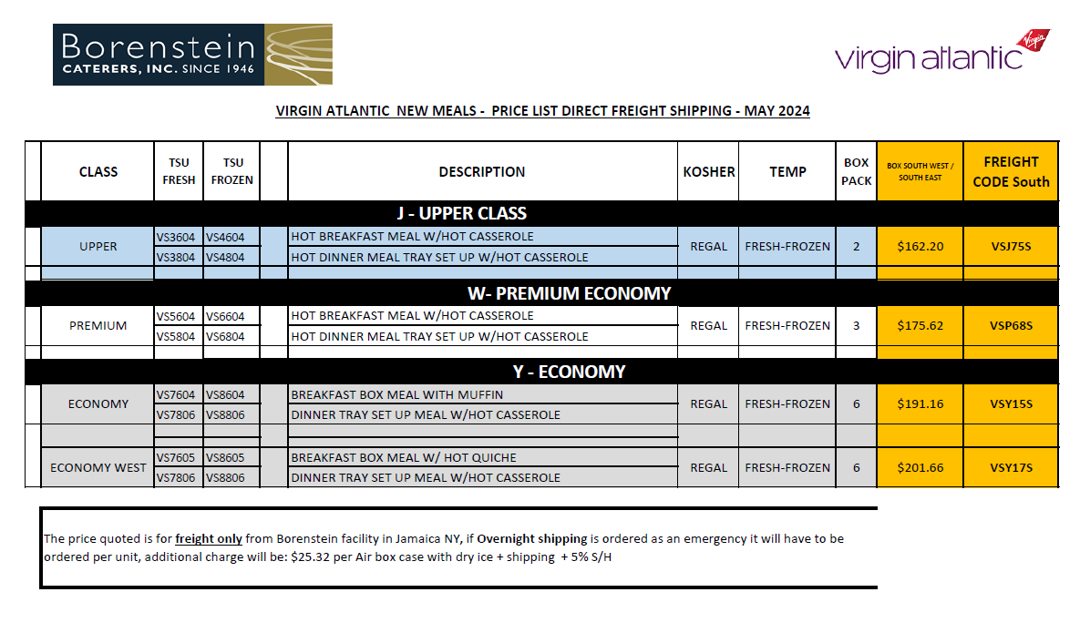

 |  |  | 1ST SERVICE | 2D SERVICE
BC | 81 | 93.15 | $60.55 | $32.60
PY | 58.54 | 70.248 | $45.66 | $24.59
YC | 33.61 | 40.332 | $26.22 | $14.12

